Penrod_1947
Penrod (1947) - Continous Air Conditioning with the Heat Pump
https://www.jstor.org/stable/27826188
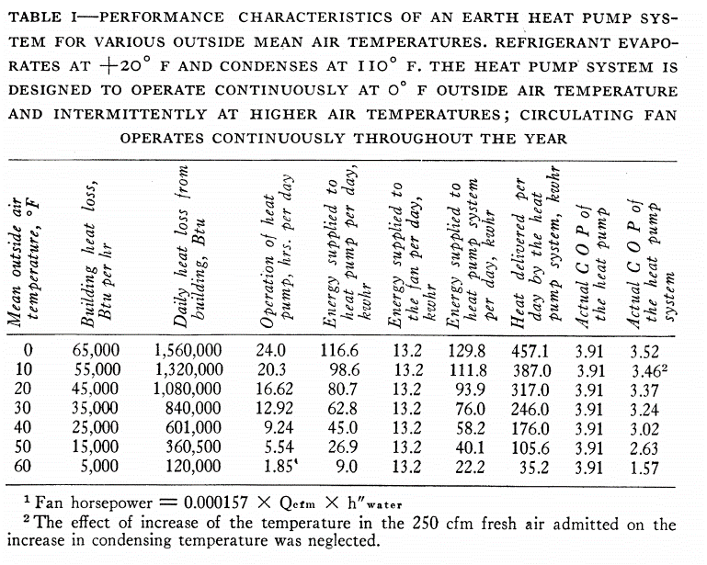
 | Data is for heating, not cooling

Weiss_2008
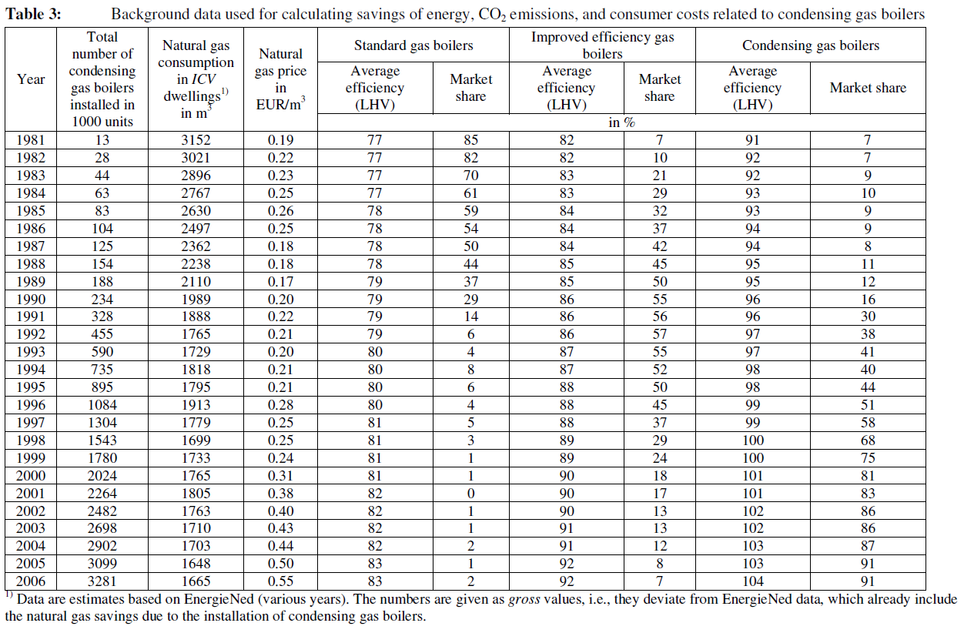
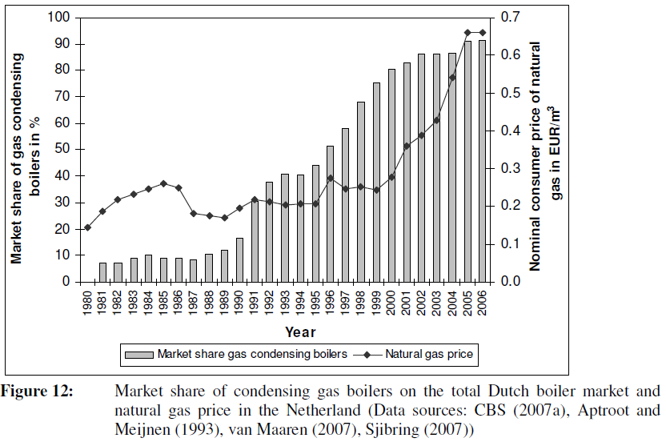
Weiss et al (2021) - Learning energy efficiency experience curves for houshold appliances and space heating, cooling, and lighting technologies
http://dspace.library.uu.nl/handle/1874/32937

